Sheet1
 | Document No. |  | Issue No. | Issue Date |  |  | Review and Replace Date |  |  | Authorised By
 | GFF214MC |  | 4 | 10.09.2020 |  |  | 28.11.2022 |  |  | Magda Shah
 | Document Title |  | TARKA DAHL 300g
Document amendments reason for change | Tray and Film Updated |  |  |  | Page 1 of 1 |  |  | Previous Issue Date | 23.12.2021 | Uncontrolled copy unless signed original

CVTAR-R4TCC |  | CHEFS CREATION |  |  |  | TARKA DAHL 300g | CHILLED
STEP 1
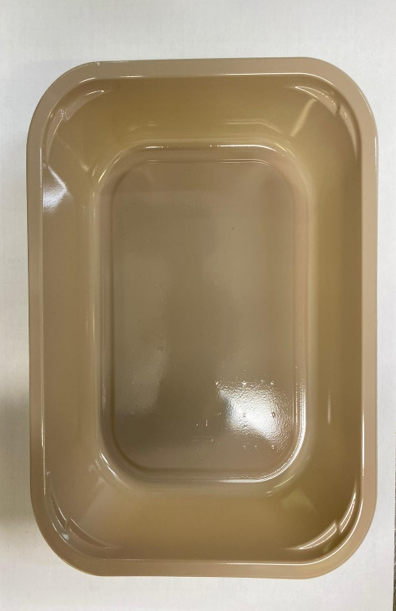 |  |  |  |  |  | 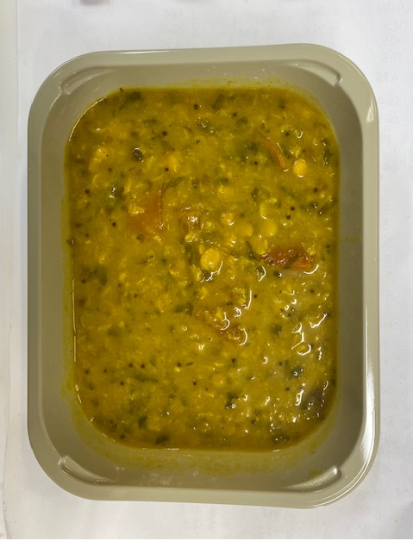

Tray:EVOLVE CPET 2200-1E FROST(PKRHP001-15) |  |  |  |  |  | Tarka Dahl (CC) (GFF325R): 300g

Film: K Peel 3G 25µm (275mmX1000lm) (PKKMP001-04)

TOTAL WEIGHT: 300g
ALLERGY ALERT: MUSTARD

